#DOC Reporting Obligation
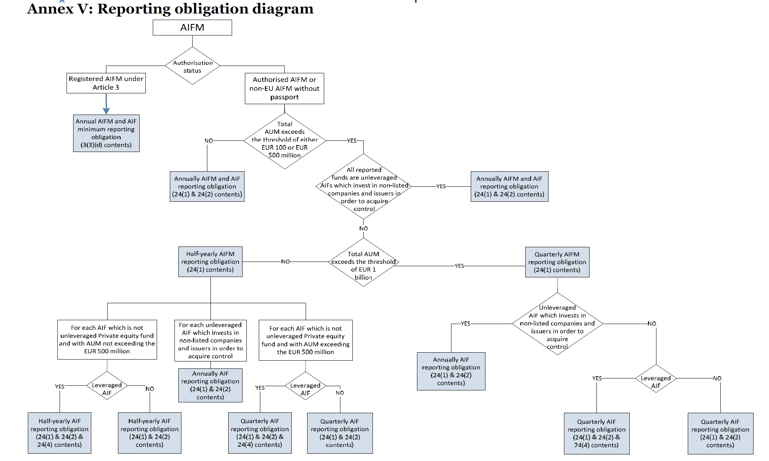
# Source: | ESMA Consultation paper

